Instructions
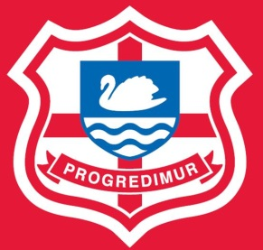
 | RICHMOND CANOE CLUB

 | KIT ORDER FORM - AUTUMN/WINTER 2013

Instructions

Please complete the form on the next page to order any of the items on the accompanying design pack.
In the yellow cells insert the number of items you would like to order, ensuring you are selecting the right size and garment.
Please fill in your name and email address in the top section of the form.
If you would like any items personalised with your name or initials, please fill in the details of the item, size and what you want on it in the table.
Personalisation is £5 for all leisure items and the softshell gilet, and free of charge for all other items.
An example order form is included for reference
Once you have completed the form, or have any queries about is, please email it to twdsharpe@gmail.com
Closing date for orders is Friday 4th October 2013.

Terms and Conditions

Returning this order form by email commits you to paying for the items on it.
Full payment will be required at the time of ordering. If you have not paid by the closing date, your kit will not be ordered!
Please make cheques payable to RICHMOND CANOE CLUB and either hand to me or put in the letter box clearly marked Club Kit - FAO Tom Sharpe.
If you would prefer to pay by online bank transfer please email me for details
Banks details for online transfer:
Account Name: Richmond Canoe Club Account Number: ***** Sort Code: ******
If you want to cancel an order, please email me twdsharpe@gmail.com before the order deadline (Friday 4th October 2013).
It is not possible to cancel an order once it has been placed with clifton clothing .
Full terms are available on the clothing company's website http://www.cliftonclothing.com/termsconditions
Delivery will be approx 6-8 weeks after the order date.

